1. Title Page
[Grocery Basket Analysis]

Project Name: Instacart Grocery Basket Analysis
Date: 23/2/2024
Analyst Name: Angelo Attanasio

Contents: |  | Sources:
Population Flow | 2
Consistency checks | 3 | Instacart customers data set
Wrangling steps | 4 | Data dictionary
Column derivations | 5 | "The Instacart Online Grocery Shopping Dataset 2017", accessed from via
Visualizations | 6 | www.instacart.com/datasets/grocery-shopping-2017 via Kaggle via
Recommendations | 7 | on date 20/1/2024

2. Population Flow
Title page

Population flow

Exclusion flag
Condition: max_order <
Obervations to be removed:
Final total count of order_products_all:

Orders_products_combined
Orders_products_merged
Orders_products_all

Total: 32434212
Total: 32434212
Total: 32434212

1.) The grey boxes in the first row of the population flow represent the original data sets as they were when you downloaded them. In the Total fields you need to add the count of the rows when you imported the data set into Jupyter.
2.) The second row of boxes (coloured) represents the data sets after you manipulated them, e.g., removed missing values and duplicates. In the Total fields you need to add the count of the rows after conducting these operations. This offers a visual oveview of how the data flows throughout the data consistency checks.
3.) The third row, where also the arrows are coloured, represents the merges you performed between the datasets. In the Total fields you need to add the count of the rows in the merged datasets, so that you end up with the final dataset (in the red box). Keep in mind the final dataset should be without exclusions (based on the exclusion flag).

3. Consistency checks
 |  |  |  | Title page
Consistency checks

Dataset | Missing values | Missing values treatment | Duplicates
orders | 206209 in "days_since_prior_order" column | Creating a new dataframe containing all missing values | No duplicates found
products | 16 in "product_name" column | Drop all missing values | 5 duplicates found
orders_products_prior | No missing values found |  | No duplicates found
customers | No missing values found |  | No duplicates found

4. Wrangling steps
 |  |  |  | Title page
Wrangling steps

Columns dropped | Columns renamed | Columns' type changed | Comment/Reason
"eval_set" from orders.csv |  |  | It contains useless information
 | "orders_dow" in "orders_day_of_the_week" in orders.csv |  | It's easier to understand compared to before
 |  | "order_id" from numeric to string value from orders.csv | The numbers in the column don't represent real numeric values, but keys
 |  | "user_id" from numeric to string value from orders.csv | The numbers in the column don't represent real numeric values, but keys
 | "orders_hour_of_day" in "hour_of_the_order" in orders.csv |  | It's easier to understand compared to before
 | "Surnam" in "Surname" in customers.csv |  | It's easier to understand compared to before
 | "n_dependants" in "number_of_dependants" in customers.csv |  | It's easier to understand compared to before
 | "fam_status" in "family_status" in customers.csv |  | It's more uniform
 | "STATE" in "State" in customers.csv |  | It's more uniform
 |  | "user_id" from numeric to string value from customers.csv | The numbers in the column don't represent real numeric values, but keys
 |  | "First Name" from numeric to string value from customers.csv | It doesn't make sense for names to be considered numbers

5. Column derivations
 |  |  |  | Title page

Column derivations and aggregations

In this tab you should add tables below that the frequences of flags/label variables that you produced after deriving them. NB: don't do this for continuous variables, only for flags.
Dataset | New column | Column/s it was derived from | Conditions
Orders_products_combined | price_range | prices | If price <= 5, return 'Low-range product'. If 5 < price <15, 'Mid-range product'. If price > 15, 'High-range product'
Orders_products_combined | busiest_day | order_dow | If day = 0 or 1, return 'busiest days'. If day = 3 or 4, return 'slowest days'. Anything else, return 'regularly busy'
Orders_products_combined | busiest_period_of_day | order_hour_of_day | If hour = 10,11,14,15,13,12,16,9 return 'most orders'. If hour = 0,1,2,3,4,5,6,23 return 'fewest orders'. Anyhting else return 'average orders'

Orders_products_merged | max_order | user_id, order_number | If 'max_order' > 40, then 'loyal_customer'. If 10 <= 'max_order' < 40 , then 'regularl_customer'. If 'max_order' < 10, then 'new_customer'.
Orders_products_merged | mean_price | user_id, prices | If 'mean_price' < 10, then 'low_spender'. If 'mean_price' >= 10, then 'high_spender'
Orders_products_merged | median_days | user_id, days_since_prior_order | If 'median_days' > 20, then 'Non-frequent customer'. If 'median_days' <= 20, then 'Regular customer'. If 'median_days' <= 10, then 'Frequent customer'.

Orders_products_all | income_flag | income | If 25900 < income <= 66996, then 'Low income'. If 66997 < income <= 127907, then 'Average income'. If income > 127908, then 'High income'.
Orders_products_all | age_flag | age | If 18 < age <= 35, then 'Young'. If 36 < age <= 60, then 'Middle-aged'. If age > 61, then 'Elderly'.
Orders_products_all | type_of_customer | age, number_of_dependants | If 'age_flag' = 'Young' & 'number_of_dependants' = 0, then 'Young single'. If 'age_flag' = 'Young' & 'number_of_dependants' > 0, then 'Young parent'. The same goes for Adult and Elderly, leading to 'Adult single', 'Adult parent', 'Lone elderly', 'Elderly with children'.
Orders_products_all | customer_profile | age_flag, income_flag | If 'age_flag' = 'Young' & 'income_flag' = 'Low income', then 'Low income young'. Changing 'age_flag' and 'income_flag' columns we get Low income adults and elderly, Average income young, adults and elderly, and High income young, adults and elderly.
Orders_products_all | profile_of_customer | age_flag, income_flag, number_of_dependants | Combining 'age_flag', 'income_flag' and 'number_of_dependants', we get 18 new columns.

6. Visualizations
 |  |  | Title page

Visualisations

In this tab you should include all the visualtions from Exercises 4.9 and 4.10, alongside the questions from the project brief that they answer. Include any commentary on the relationship between different variables.

From task 4.9: |  |  |  | From task 4.10:

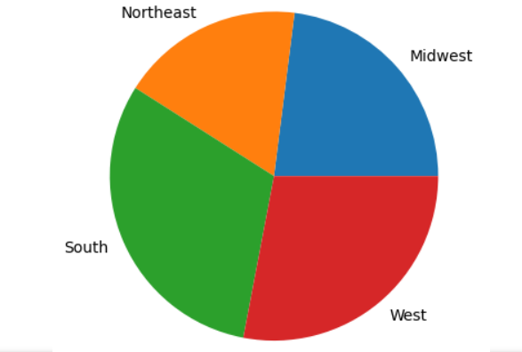
 |  |  |  |  | The pie chart on the left shows the percentages of Instacart clients located in each region of the US.
 | This is a bar chart showing the number of orders(expressed in millions) for each day of the week. |  |  |  | The majority of clients resides in the South(31% of the total number of clients) and the West(28%),
 | The days in which most of the orders are placed is Saturday, followed by Sunday and Friday. |  |  |  | followed by Midwest(23%) and Northeast(18%).

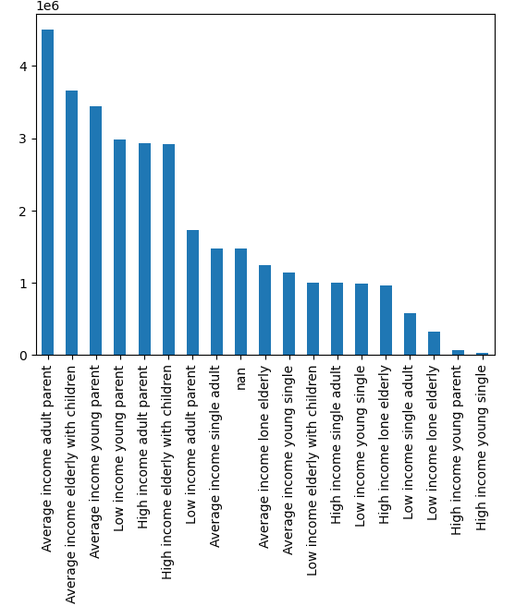


 |  |  |  |  | The bar chart on the left shows the number of customers(in millions), grouped by age, income and whether or not they have children.
 |  |  |  |  | It shows that the most common type of customer is a parent with an average income and an age between 36 and 60 years old.
 |  |  |  |  | Generally speaking, it's safe to say that the bulk of Instacart customers are people having at least one child.

 | In this histogram is plotted the price for products that are sold by Instacart vs the frequency.
 | It's evident that the vast majority of the products sold cost between 0.50 and 15 dollars.



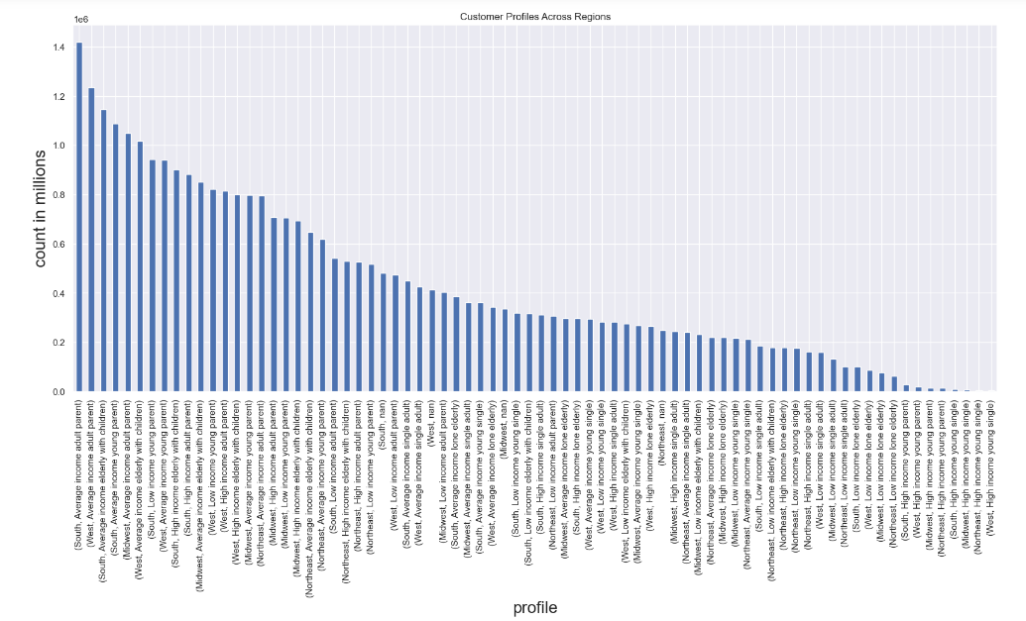
 | The histogram on the left shows the frequency of the orders made on Instacart app for every hour of the day.
 | We can tell that more than 90% of the orders are placed between 9 AM and 5 PM.
 | Also, the busiest hour of the day for orders is 10 AM, while the least busy is 3AM.
 | As it's easy to think that at 3 AM people place less orders because they're asleep,
 | I would suggest to schedule ads at times like 7,8 or 9 PM because there are fewer orders than the rest of the day, |  |  |  |  | The bar chart on the left shows the number of customers(in millions), grouped by age, income, region and whether or not they have children.
 | the majority of the customers are awake. |  |  |  |  | The most common types of customers are average income parents of any age group
 |  |  |  |  |  | and region. In fact, the most common one a person living in the South of the US with an age between 36 and 60 years old, with at least one child and an average income.
 |  |  |  |  |  | The less common is a young person without children, having a high income and coming from the West Region of the US.

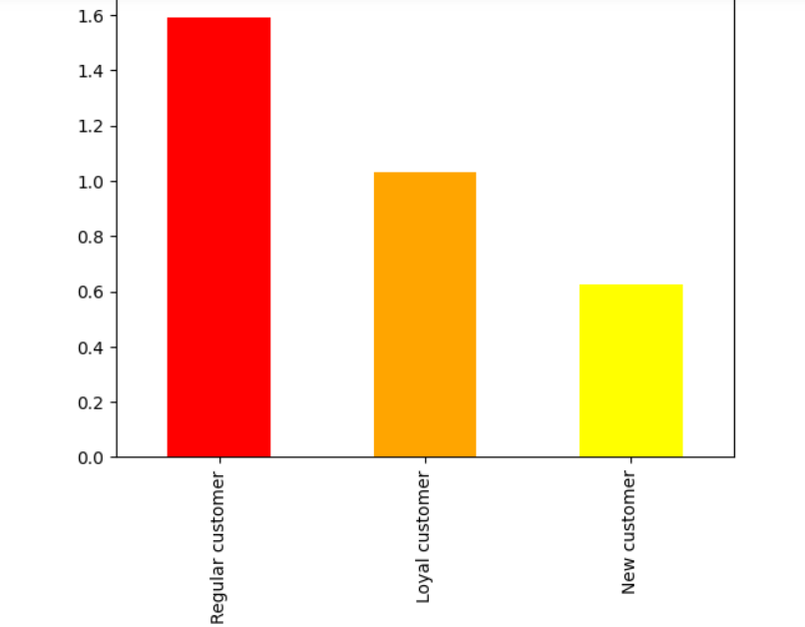

 |  | The bar chart on the left shows the numbers(expressed in millions) of regular, loyal and new customers.
 |  | From it, we can infer that the majority of customers are regular ones(i.e. customers who placed less than
 |  | 40 orders but more than 10).

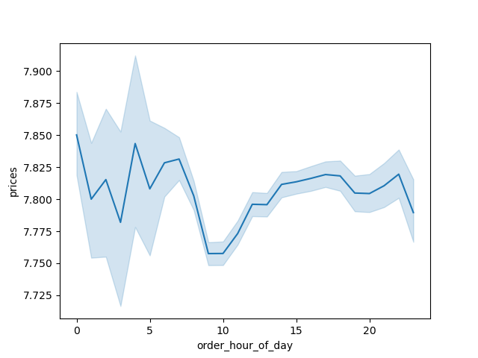

 |  | The line chart on the left shows the prices for orders for every hour of the day.
 |  | We can tell that the most expensive products are bought between 2 and 3 AM.

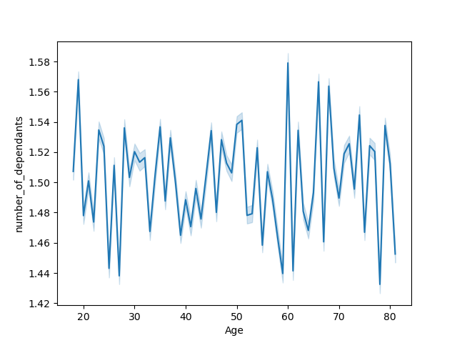

 |  | On the line chart on the left are plotted the ages of customers vs the number of dependants that they have.
 |  | It shows that the number of dependants for customers varies widely across all age groups.
 |  | The number of dependants ranges from 1.42 at age about 80 to 1.58 at age around 60 years.



 |  | The scatterplot on the left shows the age and income of Instacart customers.
 |  | We can see that all age groups have an income of at least 20000 dollars per year, while people over the age of 40 have the highest incomes.
 |  | In the range between 20 to 40 years, it seems that no customer has an income over 40000 dollars per year.

7. Recommendations
 |  |  |  |  |  |  |  |  |  |  |  |  |  | Title page

Recommendations

In this tab you should include any recommendations you would make to Instcart in terms of their marketing strategy based on the questions posed in the brief. Every key question has been covered in the Tasks of the Exercises - here you need to add an item - a visualisation or table/crosstable that is showing the answer in the data, accompanied by a comment from you. Please, list the questions below and add the answer underneath.

Question | Answer
Q1) The sales team needs to know what the busiest days of the week and hours of the day are (i.e., the days and times with the most orders) in order to schedule ads at times when there are fewer orders. | Saturday | Sunday | Friday | Monday | Tuesday | Thursday | Wednesday |  | 10 | 11 | 14 | 15 | 13 | 12 | 16 | 9 | 17 | 8 | 18 | 19 | 20 | 7 | 21 | 22 | 23 | 6 | 0 | 1 | 5 | 2 | 4 | 3
A1) The busiest days of the week are Saturday, followed by Sunday and Friday. The busiest hours of the day are 10 AM, 11 AM and 2 PM, while the least busy are 2, 4 and 3 AM. | 6209632 | 5665830 | 4500246 | 4217766 | 4209449 | 3844096 | 3787193 |  | 2764390 | 2738585 | 2691563 | 2664522 | 2663272 | 2620800 | 2537469 | 2456661 | 2089452 | 1719952 | 1637922 | 1259382 | 977017 | 891928 | 796362 | 634737 | 402612 | 290770 | 218942 | 115786 | 88057 | 69431 | 53283 | 51317
As it's easy to think that at 3 AM people place less orders because they're asleep, I would suggest to schedule ads at times like 7,8 or 9 PM because there are fewer orders than the rest of the day, but still the majority of the customers are awake.
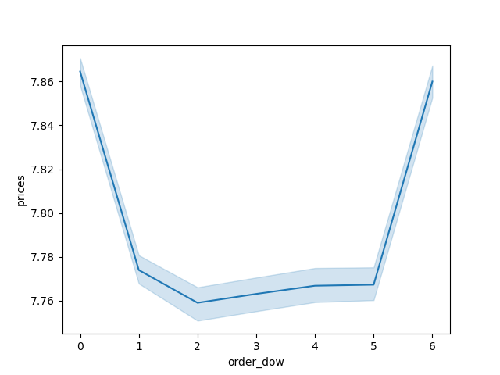

Q2) They also want to know whether there are particular times of the day when people spend the most money, as this might inform the type of products they advertise at these times.
A2) As it can be seen from the first line chart on the right, the most expensive products are bought between 3 and 4 AM. Moreover, people tend to spend more on Saturday and Friday.
Maybe it would be a good idea to increase ads in the weekend, as people tend to buy more in that period of the week.

Q3) Instacart has a lot of products with different price tags. Marketing and sales want to use simpler price range groupings to help direct their efforts. |  | Mid-range products | Low-range products |  | High-range products
A3) Of all the products sold by Instacart, 21860860 are mid-range products(i.e. products sold at a price between 5 and 15 dollars), 10126321 are low-range products(i.e. sold at a price equal to or lower than 5 dollars) and 417678 are high end products, sold at a price over 15 dollars. | Count | 21860860 | 10126321 |  | 417678

 | 1 | 2 | 3 | 4 | 5 | 6 | 7 | 8 | 9 | 10 | 11 | 12 | 13 | 14 | 15 | 16 | 17 | 18 | 19 | 20 | 21
Q4) Are there certain types of products that are more popular than others? The marketing and sales teams want to know which departments have the highest frequency of product orders. | frozen | other | bakery | produce | alcohol | international | beverages | pets | dry goods pasta | bulk | personal care | meat seafood | pantry | breakfast | canned goods | dairy eggs | household | babies | snacks | deli | missing
A4) The top 3 departments for highest frequency of product orders are "produce", "dairy eggs" and "snacks". | Number of orders per department:
It could be beneficial to enlarge the amount of products within these departments in order to further increase the sales. | produce | dairy eggs | snacks | beverages | frozen | pantry | bakery | canned goods | deli | dry goods pasta | household | breakfast | meat seafood | personal care | babies | international | alcohol | pets | missing | other | bulk
 | 9479291 | 5414016 | 2887550 | 2688159 | 2236432 | 1875577 | 1176787 | 1068058 | 1051249 | 866627 | 738666 | 710647 | 708931 | 447691 | 423802 | 269253 | 153743 | 97724 | 69145 | 36291 | 34573

Q5) What’s the distribution among users in regards to their brand loyalty (i.e., how often do they return to Instacart)? |  | Orders | Regular customer |  | Loyal customer | New customer
A5) Of all Instacart customers, 15891077 are regular customers(i.e. customers who placed less than 40 orders), |  |  | 15891077 |  | 10293737 | 6249398
10293737 are loyal customers(having placed more than 40 orders) and 6249398 are new ones,
with less than 10 orders placed.
Regarding how often they return to Instacart, for 21577409 of them the median value of days passed from one order to another is less than 20 days. For 7217134 of them this value is less than 10 days, and for 3639669 of them is more than 20 days. |  | Mean | Regular customer |  | Loyal customer | New customer

Q6) Are there differences in ordering habits based on a customer’s loyalty status? |  |  | 12.50 |  | 10.39 | 13.29
A6) There are little differences but, on average, they all spend from 11 to 13 dollars per
product.

Q7) Are there differences in ordering habits based on a customer’s region?
A7) The percentage of high spenders(i.e. customers who purchase products with a mean price over 10 dollars) is similar in all US Regions, being around 2%. The difference between the regions lies mostly in the number of customers over the total. In fact, most of the customers are located in the South(31%) and West(28%), followed by Midwest(23%) and |  | Region | High spenders | Low spenders | Customers in each region over the total(%) | Percentage of High spenders
Northeast(18%). |  | Midwest | 156129 | 7447681 | 23% | 2.05%
 |  | Northeast | 108343 | 5620004 | 18% | 1.89%
 |  | South | 194083 | 9965452 | 31% | 1.91%
 |  | West | 176906 | 8765614 | 28% | 1.98%

Q8) Is there a connection between age and family status in terms of ordering habits? |  | Type of customer | Adult parent | Elderly with children | Young parent | Single adult | Lone elderly | Young single
A8) The most common customer, regarding age and family status, is a parent with an age between 36 and 60. |  | Count | 9154064 | 7581666 | 6500937 | 3048904 | 2522323 | 2152937
The least common one, is a young person without children.

Q9) What different classifications does the demographic information suggest? Age? Income? Certain types of goods? Family status?
A9) I decided to group Instacart clients first by age and family status, then by age and income.
Lastly, I combined age, family status, income and region.

Q10)What differences can you find in ordering habits of different customer profiles? Consider the price of orders, the frequency of orders, the products customers are ordering, and anything else you can think of.
A10) The most common types of customers are average income parents of any age group
and region. In fact, the most common one is a person living in the South of the US with an age between 36 and 60 years old, with at least one child and an average income. The less common is a young person withouth children, having a high income and coming from the West Region of the US.

Considering what we've found out, I would suggest to target customers earning an average income, with an age between 36 and 60 years, having at least one child, living in the South and the West of the US. Moreover, since produce is the most popular department, I would suggest to advertise it more and to add other items to its catalogue. Lastly, since Friday and Saturday are the busiest days, I think that offering discounts or limited edition products in these days would be a good idea.

